Sheet1
Teams | Framework | Definition | Architecture | Scalability | Security | Managibility | Language | Integration | Supported Platforms | Storage | Streaming | Benefits | Pitfalls | Applications
Team 1 | Map-Reduce | MapReduce is a programming model and an associated implementation for processing and generating big data sets with a parallel, distributed algorithm on a cluster. | Components of MapReduce Architecture: Client: The MapReduce client is the one who brings the Job to the MapReduce for processing. There can be multiple clients available that continuously send jobs for processing to the Hadoop MapReduce Manager. Job: The MapReduce Job is the actual work that the client wanted to do which is comprised of so many smaller tasks that the client wants to process or execute. Hadoop MapReduce Master: It divides the particular job into subsequent job-parts. Job-Parts: The task or sub-jobs that are obtained after dividing the main job. The result of all the job-parts combined to produce the final output. Input Data: The data set that is fed to the MapReduce for processing. Output Data: The final result is obtained after the processing. | MapReduce is a programming paradigm that enables massive scalability across hundreds or thousands of servers in a Hadoop cluster. As the processing component, MapReduce is the heart of Apache Hadoop. | Security aspects in the context of MapReduce are crucial in order to authenticate and authorize users, auditing–confidentiality–integrity of data and computation, availability of mappers and reducers, and verification of outputs. Security of MapReduce ensures a legitimate functionality of the framework. | A MapReduce program is composed of a map procedure, which performs filtering and sorting (such as sorting students by first name into queues, one queue for each name), and a reduce method, which performs a summary operation (such as counting the number of students in each queue, yielding name frequencies). The "MapReduce System" (also called "infrastructure" or "framework") orchestrates the processing by marshalling the distributed servers, running the various tasks in parallel, managing all communications and data transfers between the various parts of the system, and providing for redundancy and fault tolerance. | Hadoop is capable of running MapReduce programs written in various languages: Java, Ruby, Python, and C++ | Can be integrated with various technologies like HBase | Linux and Windows are the supported operating systems, but BSD, Mac OS/X, and OpenSolaris are known to work. (Windows requires the installation of Cygwin). | With MapReduce, rather than sending data to where the application or logic resides, the logic is executed on the server where the data already resides, to expedite processing. Data access and storage is disk-based—the input is usually stored as files containing structured, semi-structured, or unstructured data, and the output is also stored in files. | Hadoop Streaming is the utility that allows us to create and run MapReduce jobs with any script or executable as the mapper or the reducer. It uses Unix streams as the interface between the Hadoop and our MapReduce program. | 1. Minimal data motion 2. Simplicity 3. Scalability 4. Speed 5. Recovery | 1. Not suitable for Real Time Processing, 2. Uneasy to implement Map Reduce functions 3. High Latency | Social Network Entertainment E-commerce Fraud Detection Search & Advertisement Mechnism Data Warehouse
Team 2 | Avro | Avro is a part of Apache's Hadoop project. It is an open source project that provides data serialization and data exchange services for Hadoop. It facilitates the exchange of big data between programs written in any language. With the serialization service, programs can efficiently serialize data into files or into messages. Avro stores both the data definition (stored in JSON format) and the data (stored in binary format) together in one message or file. | Since Avro is programming language independent and thus the serialization acn be done in different platforms like Java or Hadoop. Serialization is basically the process of translating data structures or objects state into binary to transport the data over network or to store on some persistent storage. | Avro is a compressed binary data format. Serialization makes it efficient in space. Since avro facilitates the exchange of big data betwen programs, the data storage is compact and efficient. | For secutiy of network protocols, SASL (RFC 2222) offers a framework. However, each protocol which uses SASL must define a SASL profile. Apache Avro SASL Profile provides security and authentication for connection-based Avro RPC. Avro SASL Profile has three parts to it; 1. Negotiation | 2. Anonymous Mechanism | 3. Session Data. | An important aspect of data management is schema evolution. A reader of Avro data can always parse the data as its schema is provided. But that schema may not be exactly the schema that was expected. Avro schemas are often designed with future evolution in mind by maintaining backwards compatibility with the schema of your old data. There are rules called "Schema Resolution" to manage this that can look after the backwards compatibility of schemas. | C, C++, C#, Java, Perl, Python, Ruby, PHP, Apache Pig | The most popular integration of Avro is with Apache Kafka. Furthermore, platforms like Salesforce also use Avro for real-time data integration. | Avro is supported by almost all platforms | 1. The data storage is compact and efficient. 2. Data definition and data is stored together in one message or file. 3. Data definition is stored in JSON format & data is stored in binary format | Apache Avro is a commonly used data serialization system in the streaming world. A typical solution is to put data in Avro format in Apache Kafka, metadata in Confluent Schema Registry, and then run queries with a streaming framework that connects to both Kafka and Schema Registry | 1. Schema evolution – Schemas are required to read/write data. 2. Untagged data – Data can be written without overhead if a schema is provided with binary data 3. Dynamic typing – This refers to serialization and deserialization without code generation. 4. Avro supports polyglot bindings to many programming languages and a code generation for static languages 5. Its support of evolutionary schemas which supports compatibility checks, and allows evolving your data over time. | 1. In the case of C# Avro, need to use .NET 4.5 to make best use of it 2. Serialization is slow 3. A schema is necessary when you want to read/write data | Primarily used in Apache Hadoop, where it can provide both a serialization format for persistent data, and a wire format for communication between Hadoop nodes, and from client programs to the Hadoop services. | Data --->Avro Objects ---> Serialize ---> Network ---> De-serialize ---> Avro Objects ---> Data
Team 3 | Storm | Apache Storm is a free and open source distributed realtime computation system. Apache Storm makes it easy to reliably process unbounded streams of data, doing for realtime processing what Hadoop did for batch processing. Apache Storm is simple, can be used with any programming language | Storm has a master-slave architecture. There is a master server called Nimbus running on a single node called master node. There are slave services called supervisor that are running on each worker node. Supervisors start one or more worker processes called workers that run in parallel to process the input. Worker processes store the output to a file system or database. Storm uses Zookeeper for distributed process coordination. | Apache Storm topologies are inherently parallel and run across a cluster of machines. Different parts of the topology can be scaled individually by tweaking their parallelism. The "rebalance" command of the "storm" command line client can adjust the parallelism of running topologies on the fly. | Apache Storm offers a range of configuration options when trying to secure the cluster. Storm's OS level security relies on running Storm processes using OS accounts that have only the permissions they need. Storm offers pluggable authentication support through thrift and SASL. This example only goes off of Kerberos as it is a common setup for most big data projects. | Storm core has abstractions for bolts to save and retrieve the state of its operations. There is a default in-memory based state implementation and also a Redis backed implementation that provides state persistence. | Apache Storm is simple, can be used with any programming language, At the core of Storm is a thrift definition for defining and submitting topologies. Since thrift can be used in any language, topologies can be defined and submitted in any language. | Apache Storm integrates with any queueing system and any database system. Apache Storm's spout abstraction makes it easy to integrate a new queuing system. Example queue integrations include: Kestrel, RabbitMQ / AMQP, Kafka, JMS and Amazon Kinesis. Likewise, integrating Apache Storm with database systems is easy.. Apache Storm will handle the parallelization, partitioning, and retrying on failures when necessary. | Storm runs on both Windows and UNIX-like systems (e.g. Linux, Mac OS), and it should run on any platform that runs a supported version of Java. This should include JVMs on x86_64 and ARM64. Unix systems are preferred over Windows systems for Apache Storm. | The distributed cache feature in storm is used to efficiently distribute files (or blobs, which is the equivalent terminology for a file in the distributed cache and is used interchangeably in this document) that are large and can change during the lifetime of a topology, such as geo-location data, dictionaries, etc. Typical use cases include phrase recognition, entity extraction, document classification, URL re-writing, location/address detection and so forth. Such files may be several KB to several GB in size. For small datasets that don't need dynamic updates, including them in the topology jar could be fine. But for large files, the startup times could become very large. In these cases, the distributed cache feature can provide fast topology startup | Storm supports true stream processing model through core storm layer. Storm provides Spout and Bolt APIs for expressing streaming computations. Though these APIs are fairly simple to use, there are no reusable constructs for expressing common streaming operations like filtering, transformations, windowing, joins, aggregations and so on. Stream APIs build on top of the Storm's spouts and bolts to provide a typed API for expressing streaming computations and supports functional style operations such as map-reduce. | > Open source, robust, and user friendly. > Fault tolerant, flexible, reliable, and supports any programming language. > Allows real-time stream processing. > Storm can keep up the performance even under increasing load by adding resources linearly. It is highly scalable. > Storm performs data refresh and end-to-end delivery response in seconds or minutes depends upon the problem. > Very low latency. | > No ability to set up and run scheduled jobs. > Not as flexible as Kafka > Better alternatives exist for running on Cloud Environments | Apache Storm is being used by multiple companies like Twitter, Groupon. A few applications include: > Storm to build real-time data integration systems. > Analyze, clean, normalize, and resolve large amounts of non-unique data points with low latency and high throughput. > Storm can be used for processing various streaming data such as logs or social data.
Team 4 | Gluster | Gluster is a scalable, distributed file system that aggregates disk storage resources from multiple servers into a single global namespace. | A gluster volume is a collection of servers belonging to a Trusted Storage Pool. A management daemon (glusterd) runs on each server and manages a brick process (glusterfsd) which in turn exports the underlying on disk storage (XFS filesystem). The client process mounts the volume and exposes the storage from all the bricks as a single unified storage namespace to the applications accessing it. The client and brick processes' stacks have various translators loaded in them. I/O from the application is routed to different bricks via these translators. | Gluster Storage is designed to scale for both performance and capacity. Aggregating the disk, CPU, and I/O resources of large numbers of commodity hardware can create one large and high-performing storage pool with Gluster Storage. More capacity can be added by adding more disks, while performance can be improved by deploying disks between more server nodes. | It supports TLS for ReST and internal communication, and authentication for the ReST API.If enabled, ReST APIs are currently limited to CLI, or the users who have access to the Token file present in $GLUSTERD2_WORKDIR/auth file. | GlusterD-2.0 is a component of Gluster, used as a distributed management engine. GlusterD-2.0 is an architecture rewrite mode that introduces a number of improvements, which can make Gluster more scalable and easier to configure, use, integrate and maintain, especially suitable for large-scale deployments. GlusterD-2.0 includes a set of ReSTful interfaces for volume and member operations, allowing DevOps practices to be used for automation and use of infrastructure. GlusterD-2.0 also integrates the embedded etcd library, so it can provide higher consistency for state management in the trusted storage pool. GlusterD-2.0 also provides a more flexible plug-in framework that allows developers to add more indicators more easily. | FUSE(File System in Userspace) is a Linux kernel module that support interaction between kernel VFS and non-privileged user applications and it has an API that can be accessed from userspace. Using this API, any type of filesystem can be written using almost any language you prefer as there are many bindings between FUSE and other languages, like C programs, Go language, Java, Python, and Ruby. | gluster-containers provides Docker container specifications for GlusterFS. gluster-kubernetes provides tools and examples for deploying and using GlusterFS in the Kubernetes and OpenShift container platforms. NFS-Ganesha is a userspace NFS-server that supports different storage backends through the so called FSAL interface. oVirt is an open-source virtualization platform that allows users to manage virtual machines, storage and virtualized networks from a web interface. gluster-swift provides object interface to GlusterFS volumes. It allows files and directories created on GlusterFS volume to be accessed as objects via the OpenStack Swift and S3 API. gluster-block makes it easy to export block-images stored on Gluster Volumes through iSCSI (with multipath). nagios-server-addons and gluster-nagios-addons provide plugins to configure and monitor gluster services via Nagios. | CentOS, Debian, Ubuntu, Fedora, RHEL, SUSE, | Gluster FS is a linux based Network File Storage System | Gluster FS can be used for media streaming. | Good utilization of existing capacities Increased reliability Network load distribution Very good scalability | Creation of a complex network structure Increased administrative effort during set-up Quick network infrastructure is needed Additional effort required for technical security | cloud computing, streaming media services, content delivery networks. | 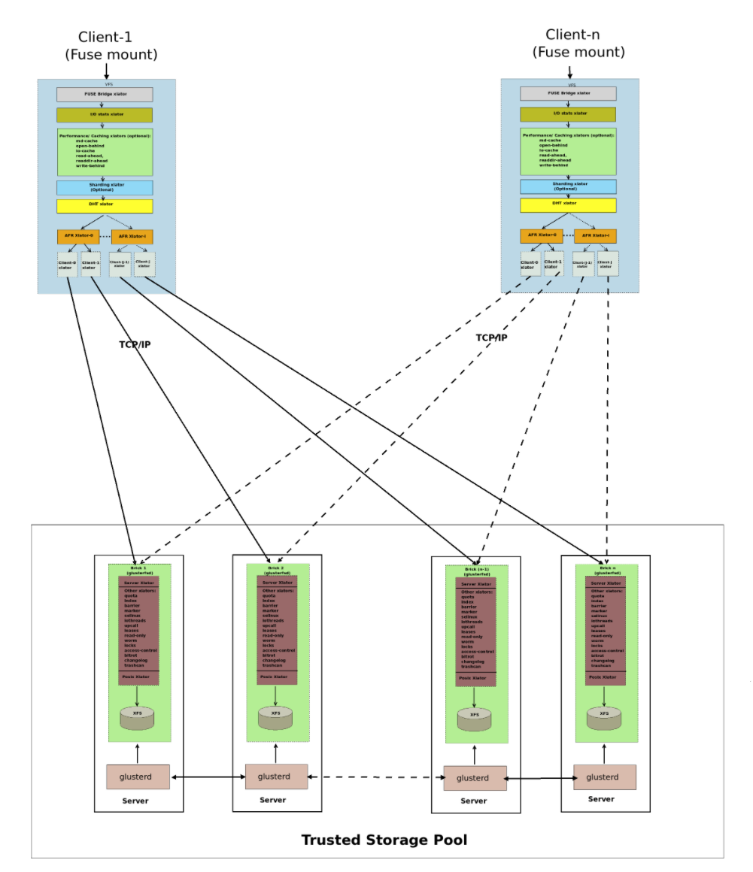 |  |  | 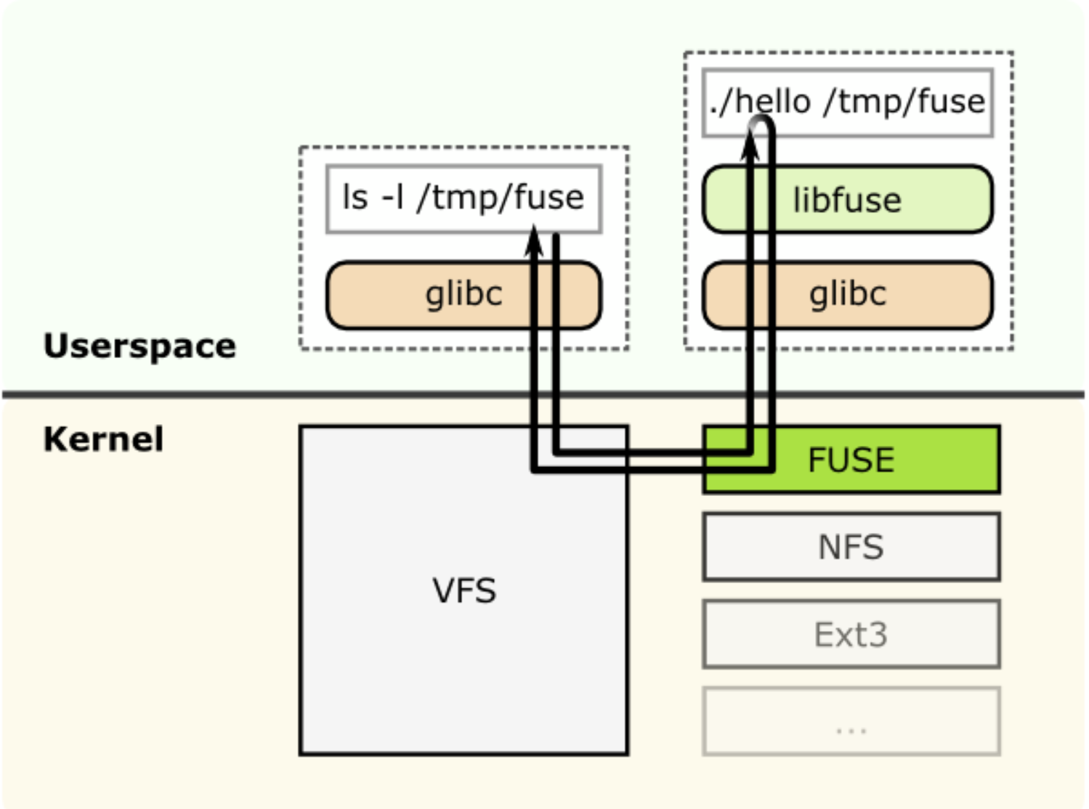
Team 5 | Flink | Apache Flink is an open source distributed data processing platform. Supporting a combination of in-memory and disk-based processing, Flink handles both batch and stream processing jobs, with data streaming the default implementation and batch jobs running as special-case versions of streaming applications | Apache Flink consists of Optimizer/Common API and API layer which implements multiple APIs that create operator DAGs for their programs. Each API needs to provide utilities (sterilizers, comparators) that describe the interaction between its data types and the runtime. Flink moves computation towards data and not data towards computation. This helps to perform effective data transformations without clogging the network. | Apache Tez is a scalable data processing platform. Tez provides an API for specifying a directed acyclic graph (DAG), and functionality for placing the DAG vertices in YARN containers, as well as data shuffling. By replacing Flink’s network stack with Tez, users can get scalability and elastic resource usage in shared clusters while retaining Flink’s APIs, optimizer, and runtime algorithms (local sorts, hash tables, etc). | Security is offered in Flink by the following techniques: Kerberos Authentication with Automatic Credential Push and Renewal, Service Level Authentication, Transport Level Security (SSL/TLS),Pluggable Authorization and ACLs,shared secret,Flink UI can also be secured by using javax servlet filters | Apache Flink’s is managed by following clusters: Local-Local node or on single JVM, Drivers and executor run in the same JVM, In this case same node will be used for execution. Standalone-It is a basic manager to set up a cluster, If there is no resource manager installed in your organization, you can use the standalone way, Flink provides its own resource manager. All you must do is install Flink on all nodes in a cluster, inform each node about all nodes and start the cluster. It starts communicating with each other and run. Well suited for new deployments which only run and are easy to set up. | Java, Scala, Python, SQL | Apache Flink is called as 4G of Big Data Analytics which means that it can connect to almost all other big data technologies. It integrates with Hadoop, Tachyon, Avro and uses Ingestion Engines like Kafka, Flume, RabbitMQ. It uses Cassandra, HDFS, MongoDB, Redis as Sink. | Java 1.6.x or higher Linux, Mac OS X Windows | Flink provides three backend storage for your state out of the box. These are Memory state backend File System (FS) state backend RocksDB state backend | Flink Streaming uses the pipelined Flink engine to process data streams in real time and offers a new API including definition of flexible windows. The DataStream API is used as the core API to develop Flink streaming applications using Java or Scala programming languages. The core building blocks of a streaming application are datastream and transformation. | Flink can run tasks written for other processing frameworks like Hadoop and Storm with compatibility packages. It offers a web-based scheduling view to easily manage tasks and view system. Manages its own memory instead of relying on the native Java garbage collection mechanisms for performance reasons. Provides Real time processing. Provides a Hybrid of batch and real time streaming | Flink at the moment is still a very young project. There hasn't been much research into Flink's scaling limitations | 1. Event-driven Applications - Event-driven applications are based on stateful stream processing applications. 2. Data Analytics Applications - With a sophisticated stream processing engine, analytics can also be performed in a real-time fashion. 3. Data Pipeline Applications - Flink operate in a continuous streaming mode instead of being periodically triggered.
Team 6 | Peregrine | Peregrine is a distributed query engine for ad hoc analysis built on top of the Hadoop Distributed File System (HDFS) and the Hive-Metastore. | Peregrine has a single-level serving-tree architecture that was inspired by Dremel, but is simpler.Peregrine has a central gateway much like Dremel’s root server. The actual query processing is done in a cluster of worker nodes. This cluster is overlaid on the HDFS cluster that stores Hive table data, and as such, worker nodes are collocated on the same hosts as HDFS data nodes to facilitate low-latency nodelocal reads. Additionally, all servers have been implemented using Apache Thrift, an RPC framework built and open sourced by Facebook. Thrift makes it very easy to write highly scalable and high performance servers quickly. Its communication protocols are also optimized for low latency. Query Execution: Queries submitted through the client are sent to the gateway. The gateway parses the query and retrieves column metadata and HDFS-fi le locations from the Hive metastore. It then retrieves the locations of the corresponding HDFS blocks from the NameNode. Each block becomes a separate unit of processing called a “split.” Each split is then sent for local processing in a worker that is collocated with the HDFS datanode that hosts the split. The workers periodically return status updates, called “heartbeats,” back to the gateway, indicating progress. If for any split, there are no heartbeats or there is no progress, the gateway deems it to have failed and reschedules it. At the end of processing (or on demand when the user kills the query), the workers send partial results back to the gateway. The gateway then combines the partial values and returns the result to the client. All query execution is done in memory and partial results are transferred to the gateway Given that Peregrine only uses over the network via Thrift calls. MetaCache. The gateway caches both the table-level and the file-level metadata in the MetaCache. | all servers have been implemented using Apache Thrift, an RPC framework built and open sourced by Facebook. Thrift makes it very easy to write highly scalable and high performance servers quickly. Its communication protocols are also optimized for low latency. | Peregrine has customizable permissions, authentication, encryption and password policies to control access and protect data. It’s all built-in. PCI-compliant out of the box, the Peregrine Platform eliminates the complexity of managing 3rd-party security tools. | It is fully compatible with Hive’s data formats and metadata and supports a subset of HiveQL. At the same time, it is able to achieve much lower query latencies compared to Hive by combining an in-memory, serving-tree based computation framework with approximate query processing. | Java SQL | .NET Hybrid Cloud Integration Ruby | Windows Linux | HDFS Peregrine has a single-level serving-tree architecture that was inspired by Dremel, but is simpler. Peregrine has a central gateway much like Dremel's root server. The actual query processing is done in a cluster of worker nodes. This cluster is overlaid on the HDFS cluster that stores Hive table data, and as such, worker nodes are collocated on the same hosts as HDFS data nodes to facilitate low-latency node-local reads. Additionally, all servers have been implemented using Apache Thrift , an RPC framework built and open sourced by Facebook. Thrift makes it very easy to write highly scalable and high performance servers quickly. | Peregrine is being used to directly serve aggregate data stored in Hive for our reporting systems. Finally, the physical operator library in Peregrine is modular enough that we were able to reuse it to build a distributed streaming query processing system called PStream that is capable of handling several million rows of input data per second using a handful of commodity machines. | 1. Much lower query latencies compared to Hive 2.Highly Scalable and High Performance 3. Provides high security 4. In addition, given that Peregrine is driving reports there is no need for pipelines that load data into MySQL or Oracle for ad-hoc analysis and reporting. 5. Merging static data which is pre-sorted can have a massive performance advantage. | 1. Avoid Multiple writing to disks for Optimizations 2. Peregrine is based on Netty for IO 3. If you're doing an iterative computation with discrete data structures and you need to join against iterations and performance is a must then you should investigate using Peregrine. 4. Hive and Pig are awesome and if you're dealing with text files and batch processing them this is probably the right tool chain. | Spinn3r's Batch Processing Text Processing Stratosphere Aware Graph Mining |  | 1. http://highscalability.com/blog/2012/1/12/peregrine-a-map-reduce-framework-for-iterative-and-pipelined.html 2. https://dl.acm.org/doi/abs/10.1145/3357223.3362726 3. https://dl.acm.org/doi/pdf/10.1145/2331042.2331056 4. https://xrds.acm.org/article.cfm?aid=2331056 | 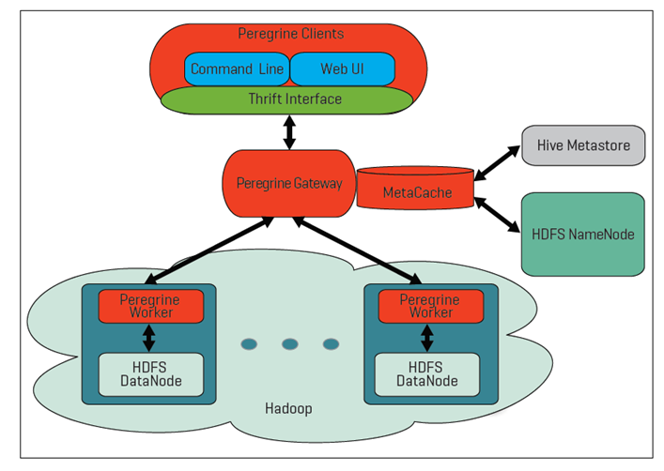
Team 7 | Gridgain | GridGain is an in-memory computing platform built on Apache Ignite that provides in-memory speed and massive scalability for data-intensive applications and real-time data access across datastores and applications. It requires no rip-and-replace of existing databases and can be deployed on-premises, in the cloud, or on a hybrid environment. | GridGain is based on distributed multi-tiered architecture that combines the performance and scale of in-memory computing together with the disk durability and strong consistency in one system. When native persistence is turned on, GridGain functions as a system of records, where most of the processing happens in memory on cached data, but the superset of data and indexes is persisted to disk. Alternatively, GridGain can persist changes to an underlying database like an RDBMS or NoSQL accelerating existing infrastructure and architectures. This enables the in-memory data grid (IMDG) use case. | GridGain will automatically shard the underlying relational database while simultaneously moving it into memory, providing both database scalability and high performance. The GridGain in-memory computing platform was designed from the ground up as a distributed computing solution. GridGain is inserted between the existing application and database layers and is deployed on a cluster of servers which can be on-premises, in a public or private cloud, or in a hybrid environment. New servers can be added to the cluster at any time and the system will automatically rebalance the data to take advantage of the new resources. | GridGain includes Enterprise-Grade Security in the Enterprise and Ultimate Editions that prevent unauthorized access to remote clients and other cluster members. This provides pluggable authentication and authorization mechanisms. It also includes full security auditing capabilities which allow you to recreate any event in the system and trace it back to the user responsible for the event. To achieve fine-grained authorization, the GridGain security feature supports configuring various cache, task, and system level permissions. | GridGain Web Console facilitates managing and monitoring of GridGain clusters. One can view various heap, CPU, and other useful node and cache metrics, start and stop caches and nodes, take thread dumps from remote nodes, and perform other useful management and monitoring tasks. Upon installation, the web console will automatically connect to your running cluster. | GridGain is available for Java, .NET/C#, and C++. The Java version provides the richest API. The .NET/C# and C++ variants may have limited functionality. | Grid Gain can be integrate with most od the Apache projects such as Spark, Hadoop, Cassandra,Kafka,YARN, Storm, Flink and more. It can be integrated with technologies like Kubernetes, Docker, JMS, Java Spring, Tableau, Oracle weblogic and more. It can alos be integrated with AWS, Azure, GCP and Apache Jclouds | GridGain runs on JDK 8+. It is supported on Linux, Max OSX, Windows XP+, Windows Server 2008+ and Oracle Solaris.. It does not have any specific Network specifications, However 10G is recommended. | GridGain multi-tiered platform allows storing and processing data and indexes both in memory and on disk. | GridGain provides a Data Streaming API that can be used to inject large amounts of continuous streams of data into a GridGain cluster. It is designed to be scalable and fault-tolerant, and provides at-least-once delivery semantics for the data streamed | GridGain provides speed and scalability by sliding between existing application and data layers as an in-memory data grid (IMDG) with no rip-and-replace of the existing database. They enable companies to deliver high volume, low latency transactions, and analytics. GridGain includes enterprise-grade security, deployment, management and monitoring capabilities | Managing a cluster is very complicated. When a cluster node stops, the data can go to unavailable state | GridGain is most commonly used to power two common use cases. It can be deployed as an in-memory data grid or an in-memory database.
Team 8 | Samza | Apache Samza is a stream processing framework, that stores information and waits for the consumers to consume this information. It supports processeing of finite datasets as a stream from either a streaming source(Kafka), a database snapshot(Databus) or a file system(HDFS) | Samza is made up of 3 layers: Kafka as the streaming layer, Yarn as an execution layers and Samza API as the processing layer. Kafka is a distributed message queueing system, it also provides high partitions. Samza uses yarn to manage deployment, fault tolerance, logging, security and resource isolation.Samza client talks to Yarn Resource manager to start a new Samza job | Samza utilizes partitioned local state along with a low-overhead background changelog machanism, thus it can be scaled to masive state size of hundereds of TB per application. | Samza provides no security at the streaming level or the enverionment that Samza containers run in. The individual streaming systems enforce their own security | Yarn is the only resource manager that currently supports Samza. Each Samza job is linked to Yarns Application Manager | Samza is written in Java and Scala. It was initially built with multi-language support in mind but currently supports JVM languages | Integrates with several sources including Kafka, HDFS, AWS Kinesis, Azure Eventhubs, K-V stores and ElasticSearch | Samza is a cross-platform application and may run on Microsoft Windows, Linux, and macOS | Samza uses RocksDB, an embedded key-value store that is loaded into the JVM process of the stream task, but other storage engines can also be plugged in its place for processing. | Apache Samza is based on the concept of a Publish/Subscribe Task that listens to a data stream, processes messages as they arrive and outputs its result to another stream. A stream can be broken into multiple partitions and a copy of the task will be spawned for each partition. | 1)Offers replicated storage that provides reliable persistency with low latency. 2) Easy and inexpensive multi-subscriber model 3) Can eliminate backpressure, allowing data to be persisted and processed later | 1) Only supports JVM languages 2) Does not support very low latency 3) Does not support exactly-once semantics | 1) aggregating occurrences of events, e.g., counting how many times a particular item has been viewed; 2)computing the rate of certain events, e.g., for system diagnostics, reporting, and abuse prevention; 3) enriching events with information from a database, e.g., extending user click events with information about the user who performed the action; 4) joining related events, e.g., joining an event describing an email that was sent with any events describing the user clicking links in that email; 5) updating caches, materialized views, and search indexes, e.g., maintaining an external full-text search index over text in a database; 6) using machine learning systems to classify events, e.g., for spam filtering. Examples: Slack, TripAdvisor, eBay
Team 9 | Spark | An open source cluster computing framework. Spark provides an interface for programming entire clusters with implicit data parallelism and fault-tolerance. It is built around speed, ease of use, and sophisticated analytics. Spark takes MapReduce to the next level with less expensive shuffles in the data processing. It also supports lazy evaluation of big data queries, which helps with optimization of the steps in data processing workflows. Spark holds intermediate results in memory rather than writing them to disk. When data does not fit in memory, Spark operators perform external operations. Therefore, it can be used for processing datasets that larger than the aggregate memory in a cluster. | It consists of SparkContext and user code which interacts with it creating RDDs and performing series of transformations to achieve final result. These transformations of RDDs are then translated into DAG and submitted to Scheduler to be executed on set of worker nodes. User code containing RDD transformations forms Direct Acyclic Graph which is then split into stages of tasks by DAGScheduler. Tasks run on workers and results then return to client. Then, the worker executes the tasks on the Slave. | Highly scalable - Resilient Distributed Dataset (its parallel operations provide a scalable and extensible internal data structure) | Security in Spark is OFF by default. This could mean you are vulnerable to attack by default. Spark supports multiple deployments types and each one supports different levels of security. Not all deployment types will be secure in all environments and none are secure by default. Spark has the following security features: Authentication, Encryption, Local Storage Encryption, Web UI, Authentication and Authorization, Configuring Ports for Network Security, and Event logging. | Spark is notoriously difficult to tune and maintain. That means ensuring top performance so that it doesn't buckle under heavy data science workloads is challenging. Spark is a robust resource or cluster management system to take care of allocating workers on demand for you. | Spark provides native bindings for the Java, Scala, Python, and R programming languages, and supports SQL, streaming data, machine learning, and graph processing. It is written in Scala and because of its scalability on JVM - Scala programming is most prominently used programming language, by big data developers for working on Spark projects.Additionally, Spark provides Java, Python and Scala APIs | Spark is an Apache project advertised as “lightning fast cluster computing”. It integrates well with the Hadoop ecosystem and data sources (HDFS, Amazon S3, Hive, HBase, Cassandra, etc.).Spark does not have its own file storage system. Hence, it was designed either to read and write data from/to HDFS or other storage systems. Furthermore, Hadoop users can also enrich their processing capabilities by integration process. Such as Integration of Spark with Hadoop MapReduce, HBase, and other big data frameworks. | Spark runs on both Windows and UNIX-like systems (e.g. Linux, Mac OS), and it should run on any platform that runs a supported version of Java. This should include compatible JVMs. | Spark in memory storage is achieved through the use of RDD's (Resilient Distributed Datasets) although this is temporary therefore Spark requires connection to a Distributed file system such as the local one, Hadoop, or S3 | Spark streaming is an extension provided by Spark that supports the use of streaming data. Spark Streaming receives live input data streams and divides the data into batches, which are then processed by the Spark engine to generate the final stream of results in batches. | 1) Apache spark is extremely fast as it uses in memory storage for computing 2)It is easy to use with its built in API's 3) It has Advanced analytics for ML and Mapreduce 4) Multilingual framework 5) Can be used alongside Hadoop ecosystem 6) Best for iterative computing and caching intermediate data 7) Can process real time data 8) Has an open source community | 1) has a lot of memory consumption 2) has to rely on distributed file systems such as local, hadoop, S3 etc. 3) Has small file problem wherein each file in spark becomes one partition causing issues | 1) fraud detection 2) electronic trading data 3) website logs in real time 4) automating consumer analytics in retail and finance
Team 10 | Hadoop | Hadoop is an open source, Java-based programming framework designed to deliver a distributed file system (HDFS) that supports the processing and storage of extremely large data sets in a distributed computing environment. It can scale up from single servers to thousands of machines. It provides a framework that allows distributed processing of large sets of data across clusters of computers using simple programming models. | Hadoop follows a master slave architecture design for data storage and distributed data processing using HDFS and MapReduce respectively. The master node for data storage is hadoop HDFS is the NameNode and the master node for parallel processing of data using Hadoop MapReduce is the Job Tracker. The slave nodes in the hadoop architecture are the other machines in the Hadoop cluster which store data and perform complex computations. Every slave node has a Task Tracker daemon and a DataNode that synchronizes the processes with the Job Tracker and NameNode respectively. In Hadoop architectural implementation the master or slave systems can be setup in the cloud or on-premise. | Hadoop relies on Horizontal/linear scaling. Horizontal scaling it is often easier to scale dynamically by adding more machines into the existing pool. Linear Horizontal scalability: more nodes can do more work within the same time | Security features of Hadoop consist of authentication, service level authorization, authentication for Web consoles and data confidentiality In addition, Hadoop HTTP web-consoles support the equivalent of Hadoop's Pseudo/Simple authentication. If this option is enabled, user must specify their user name in the first browser interaction using the user.name query string parameter. Data Encryption on RPC Data Encryption on Block data transfer Data Encryption on HTTP | Hadoop jobs are written in Java, and that requires another level of sophistication. The tools for tackling big data are just beginning to package this distributed computing power in a way that's a bit easier to use.• Managing big data can be daunting, so you should seek a distribution for Hadoop that lowers the administrative burden. Manageability, including multi-tenancy, is key to ensuring production success and continued growth. | Supported Language is JAVA, Hadoop runs on Unix hence Linux is the onlysupport production platform | Hadoop can be integrated with Data Integration tools such as, Sqoop, Flume. No SQL tools such as Casandra, MongoDB, Couchbase. ETL tools such as Pentaho, Informatics, Talend. Vizualization tools such as Tableau,Sas, R. | Java 1.6.x or higher, preferably from Sun. Linux and Windows are the supported operating systems, but BSD, Mac OS/X, and OpenSolaris are known to work. (Windows requires the installation of Cygwin). Hadoop Java Versions - Version 2.7 and later of Apache Hadoop requires Java 7. It is built and tested on both OpenJDK and Oracle (HotSpot)'s JDK/JRE. Earlier versions (2.6 and earlier) support Java 6. | HDFS holds very large amount of data and provides easier access. To store such huge data, the files are stored across multiple machines. These files are stored in redundant fashion to rescue the system from possible data losses in case of failure. HDFS also makes applications available to parallel processing.It is suitable for the distributed storage and processing. | Hadoop Streaming is the utility that allows us to create and run MapReduce jobs with any script or executable as the mapper or the reducer. It uses Unix streams as the interface between the Hadoop and our MapReduce program so that we can use any language which can read standard input and write to standard output to write for writing our MapReduce program. | Scalable, Cost effective, Flexible, Fast, Resilient to failure | Security Concerns - Vulnerable By Nature and Not Fit for Small Data, with potential Stability Issues. | Stream processing, fraud detection, and prevention, content management, risk management
Team 11 | Tigon | Tigon is an open-source, real-time, low-latency, high-throughput stream processing framework. | Tigon is a collaborative effort between Cask Data, Inc. and AT&T that combines technologies from these companies to create a disruptive new framework to handle a diverse set of real-time streaming requirements. Cask Data has built technology that provides scalable, reliable, and persistent high-throughput event processing with high-level Java APIs using Hadoop and HBase. AT&T has built a streaming engine that provides massively scalable, flexible, and in-memory low-latency stream processing with a SQL-like query Language. Together, they have combined to create Tigon. | Cask Data has built technology that provides scalable, reliable, and persistent high-throughput event processing with high-level Java APIs using Hadoop and HBase. AT&T has built a streaming engine that provides massively scalable, flexible, and in-memory low-latency stream processing with a SQL-like query Language. Besides, Tigon has fault-tolerance and horizontal scalability without burdening the developer. | Tigon has enterprise security features with debugging, logging, and monitoring tools | Exactly-once event processing using an app-level Java API with consistency, reliability, and persistence; Streaming database using a SQL-like language to filter, group and join data streams in-memory; Runs collections of queries using pipelined query plans; Able to transparently handle complex record routing in large parallelized implementations; Supports a significant amount of parallelization; Fault-tolerance and horizontal scalability without burdening the developer; Enterprise security features with debugging, logging, and monitoring tools; and Simpler programming model, tools and UI; and Open-source software and development process. | C++, Java, C | Streaming Data Sources are integrated and processed in Tigon Stream processors where the stream Ingestion take place and Data management and processing takes places. Later the data is saved into the Data lake or warehouse storage | Linux and Macintosh OS X. | 1)File-back secure storage(Sand-Box and in-memory) 2) Hadoop Key Management Server-backed Secure Storage | The data flows of a pipeline can be either batch or real time, and a variety of processing paradigms (MapReduce or Spark) can be used. | 1)Ability to handle extremely large data flows 2)Runs collections of queries using pipelined query plans 3)Reads, writes, and tightly integrates with HDFS and HBase; 4)Open-source software and development process. 5)Fault-tolerance and horizontal scalability without burdening the developer; | 1) Streaming data is very complex and which causes slow processing speed and leanthy line of codes and rigid processing pipelines 2) Size and scaling is a common issue | 1)Cask Data Application Platform 2) AT&T has built a streaming engine 3)AdNetwork flow: Demonstrates using Tigon to write a realtime bidding (RTB) advertisement fraLickStreamFlow: Demonstrates using TigonSQL to write a webpage click stream data processing application.

